Dimension_Property
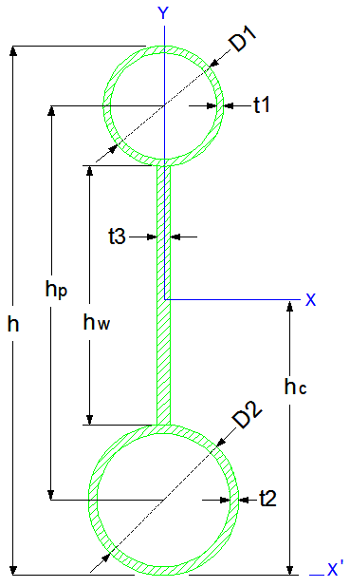
EMAD HYPER STRUCTURES CO. |  |  |  |  |  | [ X ] |  |  | [ Y ]
 |  |  | INPUT | ورودی |  | I_x = | 3.19792E+08 | (mm4) | I_y = | 4.22822E+06 | (mm4)
 |  |  | D1 = | 114.4 | (mm) | I_x = | 31,979.2 | (cm4) | I_y = | 422.8 | (cm4)
 |  |  | t1 = | 4.0 | (mm) | I_x = | 3.20E-04 | (m4) | I_y = | 4.23E-06 | (m4)
 |  |  | D2 = | 114.3 | (mm) | r_x = | 271.53 | (mm) | r_y = | 31.2 | (mm)
 |  |  | t2 = | 4.0 | (mm) | r_x = | 27.2 | (cm) | r_y = | 3.1 | (cm)
 |  |  | t3 = | 3.0 | (mm) | S_x = | 8.52646E+05 | (mm3) | S_y = | 7.39847E+04 | (mm3)
 |  |  | h = | 750.0 | (mm) | S_x = | 8.52646E+02 | (cm3) | S_y = | 7.39847E+01 | (cm3)
 |  |  | Density = | 7860.0 | (kg/m3) | [ X ' ] |  |  | [ Y ' ]
 |  |  |  |  |  | I_x' = | 9.29913E+08 | (mm4)
 |  |  | OUTPUT | خروجی هندسی |  | I_x' = | 9.29913E+04 | (cm4)
 |  |  | hw = | 521.3 | (mm) | r_x' = | 463.0 | (mm)
 |  |  | hp = | 635.7 | (mm) | S_x' = | 1.23988E+06 | (mm3)
 |  |  | Section Area = | 4,337.3 | (mm2) | S_x' = | 1.23988E+03 | (cm3)
 |  |  | Section Area = | 43.4 | (cm2) | X |  |  | Y
 |  |  | h_Center = | 375.1 | (mm) | I_Flange_x_10 | 2.11640E+06 | (mm4) | I_Flange_y_10 | 2.11640E+06 | (mm4)
 |  |  | h_Center = | 37.5 | (cm) | I_Flange_x_20 | 2.11065E+06 | (mm4) | I_Flange_y_20 | 2.11065E+06 | (mm4)
 |  |  | G = | 34.1 | (kg/m) | I_Web_x_30 | 3.54163E+07 | (mm4) | I_Web_y_30 | 1.17293E+03 | (mm4)
 |  |  | Flange Area_1 | 1,387.3 | (mm2) | I_Flange_x_11 | 1.40064E+08 | (mm4)
 |  |  | Flange Area_2 | 1,386.1 | (mm2) | I_Flange_x_21 | 1.40084E+08 | (mm4)
 |  |  | Web Area | 1,563.9 | (mm2) | I_Web_x_31 | 1.82645E+01 | (mm4)
 |  |  | I_x / I_y = | 75.6 |  | I_Flange_x'_11 | 6.65878E+08 | (mm4) | I_Flange_y'_11 | 0.00000E+00 | (mm4)
 |  |  | I_x' / I_y' = | 219.9 |  | I_Flange_x'_21 | 4.52708E+06 | (mm4) | I_Flange_y'_21 | 0.00000E+00 | (mm4)
 |  |  |  |  |  | I_Web_x'_31 | 2.19865E+08 | (mm4) | I_Web_y'_31 | 0.00000E+00 | (mm4)
www.EHSCO.IR | Email: info@ehsco.ir | B.HOSSEINPOUR |  | Mobile: +98 914.118.7430 |  | Email: b_hosseinpour2003@yahoo.com

